Decline and Incline -Info
Relevant Information

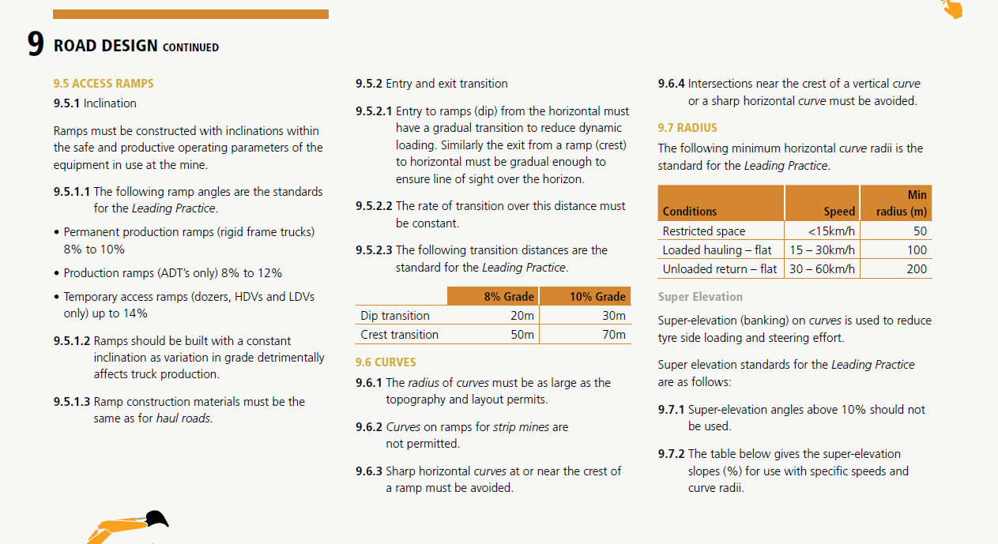 MOSH | Include relevant in-house extracts from TMM COP and Standards

Risk Level-Geograhical Map
Mine-Geographical Map

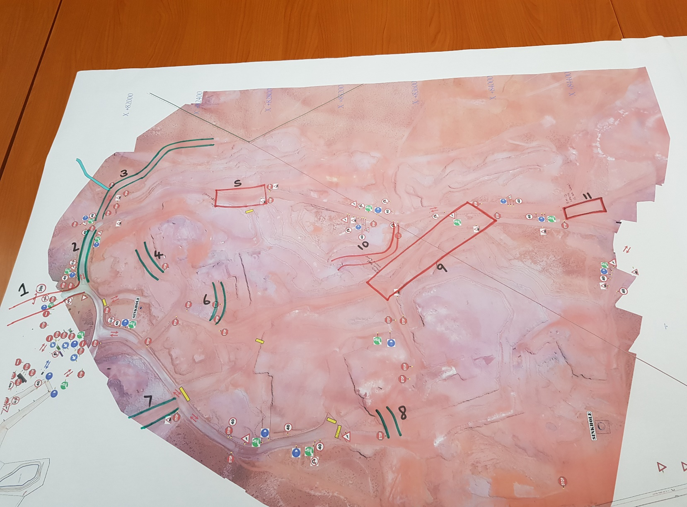 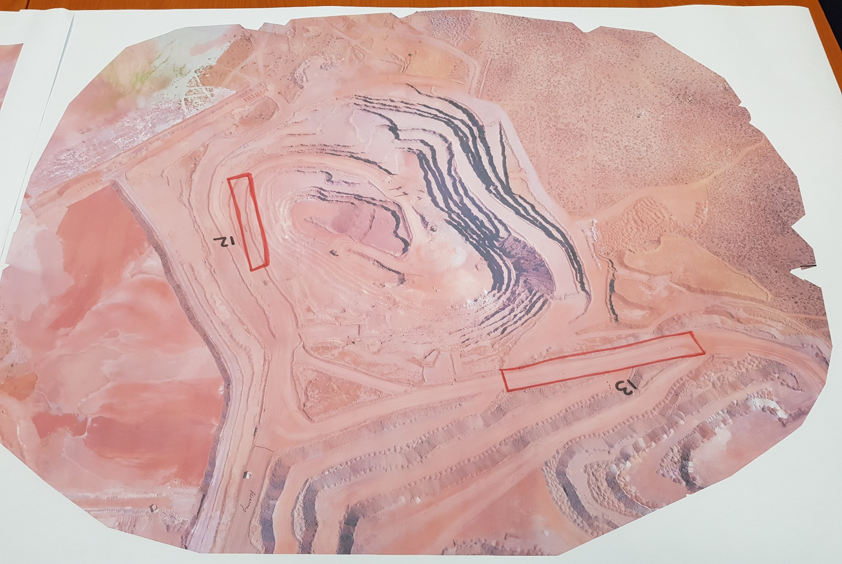

Risk Criteria Level | Ramp Location | Risk Level
Extreme | Ramp 1
High | Ramp 2
Medium | Ramp 3
Low | Ramp 4
 | Ramp 5
 | Ramp 6
 | Ramp 7
 | Ramp 8
 | Ramp 9
 | Ramp 10
 | Ramp 11
 | Ramp 12
 | Ramp 13

Ramp 01-Risk Identification
 | Risk Identification |  |  |  |  |  |  | Location

 | Issue Assessed : Ramps (incline and Decline) |  |  |  |  |  |  | 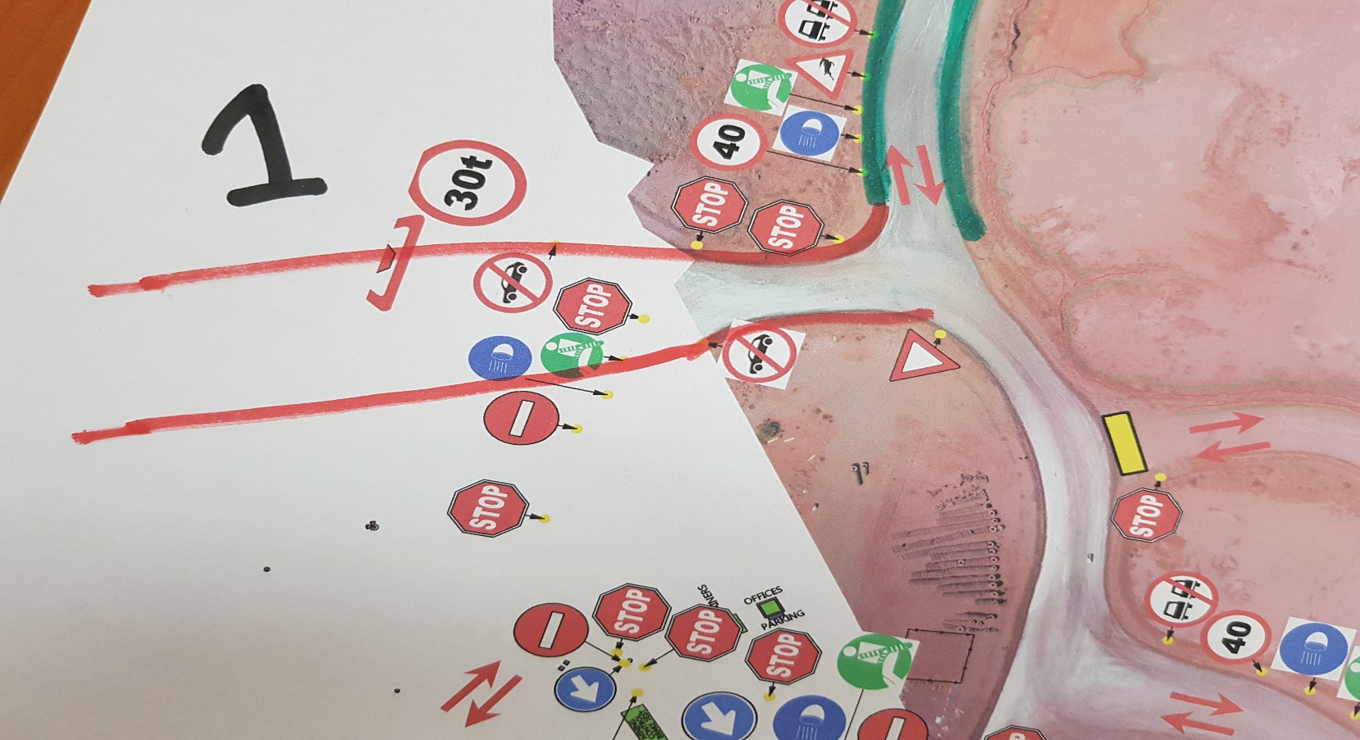
 | Location: Ramp 01
 | Operation: Mining Pit
 | Hazard | Risk -Unwanted Event | Interim/Current Controls | Risk Ranking |  |  | Additional Controls (Road design , maintenance and construction standard)
 |  |  |  | L | S | Risk Level
1 | Slippery / wet road conditions-Skidding of vehicle | TMM to TMM head -on collision or TMM collide into structures(High wall/void)-Fatality, injury or property damage | 1.Watering the ramp at intervals 2.Stop operation when road is unsafe | 2 | 4 | 12 | 1.Sufficient waiting time after watering incline and declines (Refer to standard)
2 | Decline/Incline Angle > larger than vehicle safe operating ability | Run-away of vehicle ,TMM to TMM head -on collision or TMM collide into structures(High wall/void),Machine topple over | 1.Apply emergency procedures, 2.Speed limits | 4 | 5 | 23 | 1.Ramp angles smaller than safe operating angle for the specific vehicles. (Refer to standard), 2.Run-away arrestor berms (Refer to standard), 3.Side and centre berms specific for ramps (Refer to standard) | Road and Machine Specification
3 | Loose rocks on ramp | Machine driving over loose rocks /Operator avoiding rocks and collide into structure or into on-coming TMM causing Tyre damage/ –Property damage | 1.Grader to maintain road , remove rocks (Grader and tyre dozer), 2.Procedure refer | 2 | 2 | 5 | 1.Loading to loading specification/procedure(Refer to standard) | Type | Results | Type | Results
4 | Direct sun light into operator eyes (E/W /W/E -Direction) | Operator sight restricted -TMM to TMM head -on collision or TMM collide into structures(High wall/void)-Fatality, injury or property damage | 1.Standard sun visor | 2 | 4 | 12 | 1.Install sun shield 2.Install apporiate sun visor 3.Provide sun glasses | Width |  | Exposed Vehicles
5 | Erosion of road surface/side berms due to excessive water | TMM to TMM head -on collision or TMM collide into structures(High wall/void)-Fatality, injury or property damage | 1.Drainage system | 2 | 4 | 12 | 1.Drainage to spec (Refer to standard), 2.Road profile to specification (Refer to standard) | Length |  | Length of biggest vehicle
 |  |  |  |  |  |  |  | Road Classification |  | Width of biggest vehicle

Ramp 02-Risk Identification
 | Risk Profile |  |  |  |  |  |  | Location

 | Issue Assessed : Ramps (Incline and Decline) |  |  |  |  |  |  | 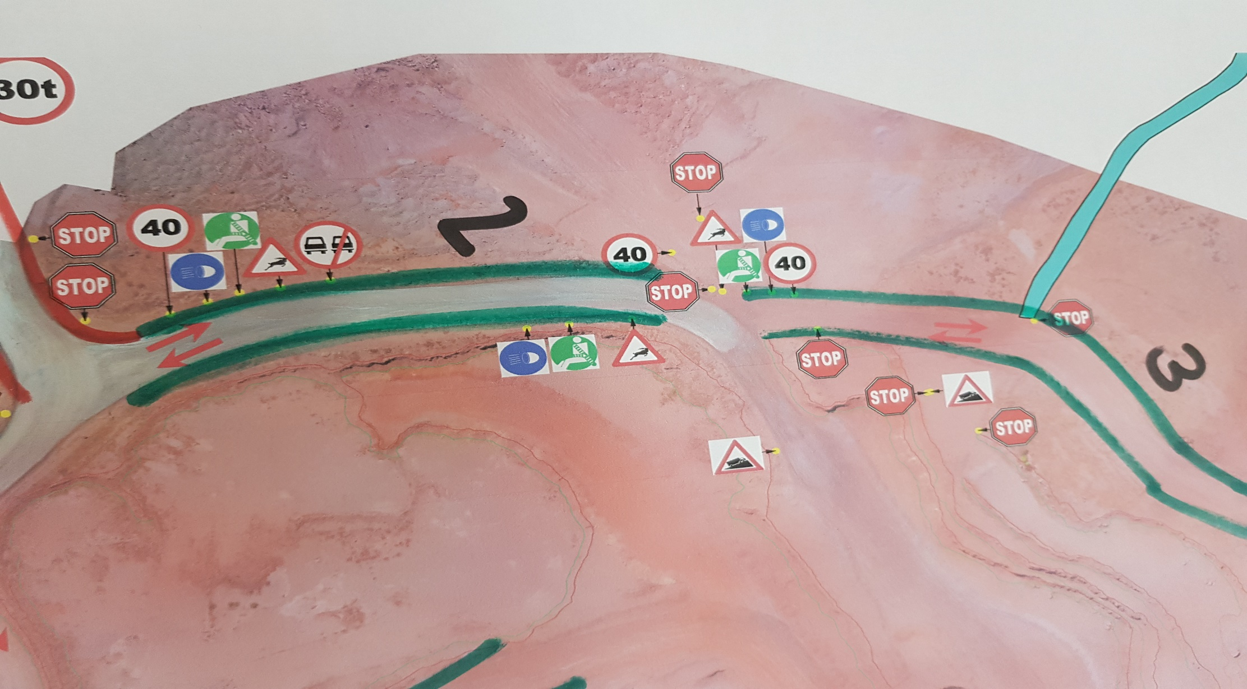
 | Location: Ramp 02
 | Operation: Mining Pit
 | Hazard | Risk -Unwanted Event | Interim/Current Controls | Risk Ranking |  |  | Additional Controls (Road design , maintenance and construction standard)
 |  |  |  | L | S | Risk Level
1 | Open Crest next to road | Vehicle falling from an elevated position due to exposed open crest-Fatality , injury or property damage | 1.Road Safe declaration, 2.Safety inspections | 2 | 4 | 12 | 1.Introduce crest berms that will prevent vehicle from falling over crest (Refer to standard)
2 | Slippery / wet road conditions-Skidding of vehicle | TMM to TMM head -on collision or TMM collide into structures(High wall/void)-Fatality, injury or property damage | 1.Watering the ramp at intervals 2.Stop operation when road is unsafe | 2 | 4 | 12 | 1.Sufficient waiting time after watering incline and declines (Refer to standard)
3 | Loose rocks on ramp | Machine driving over loose rocks /Operator avoiding rocks and collide into structure or into on-coming TMM causing Tyre damage/ –Property damage | 1.Grader to maintain road , remove rocks (Grader and tyre dozer), 2.Procedure refer | 2 | 2 | 5 | 1.Loading to loading specification/procedure(Refer to standard)
4 | Direct sun light into operator eyes (E/W /W/E -Direction) | Operator sight restricted -TMM to TMM head -on collision or TMM collide into structures(High wall/void)-Fatality, injury or property damage | 1.Standard sun visor | 2 | 4 | 12 | 1.Install sun shield 2.Install apporiate sun visor 3.Provide sun glasses
5 | Erosion of road surface/side berms due to excessive water | TMM to TMM head -on collision or TMM collide into structures(High wall/void)-Fatality, injury or property damage | 1.Drainage system | 1 | 4 | 7 | 1.Drainage to spec (Refer to standard), 2.Road profile to specification (Refer to standard) | Road and Machine Specification
6 | Vehicles exposed to Decline/Incline (Ramps) | Run-away of vehicle ,TMM to TMM head -on collision or TMM collide into structures(High wall/void),Machine topple over | 1.Apply emergency procedures, 2.Speed limits | 2 | 4 | 12 | 1.Side and centre berms specific for ramps (Refer to standard) | Type | Results | Type | Results
 |  |  |  |  |  |  |  | Width |  | Exposed Vehicles
 |  |  |  |  |  |  |  | Length |  | Length of biggest vehicle
 |  |  |  |  |  |  |  | Road Classification |  | Width of biggest vehicle

Ramp 03-Risk Indentification
 | Risk Profile |  |  |  |  |  |  | Location

 | Issue Assessed : Ramps (Incline and Decline) |  |  |  |  |  |  | 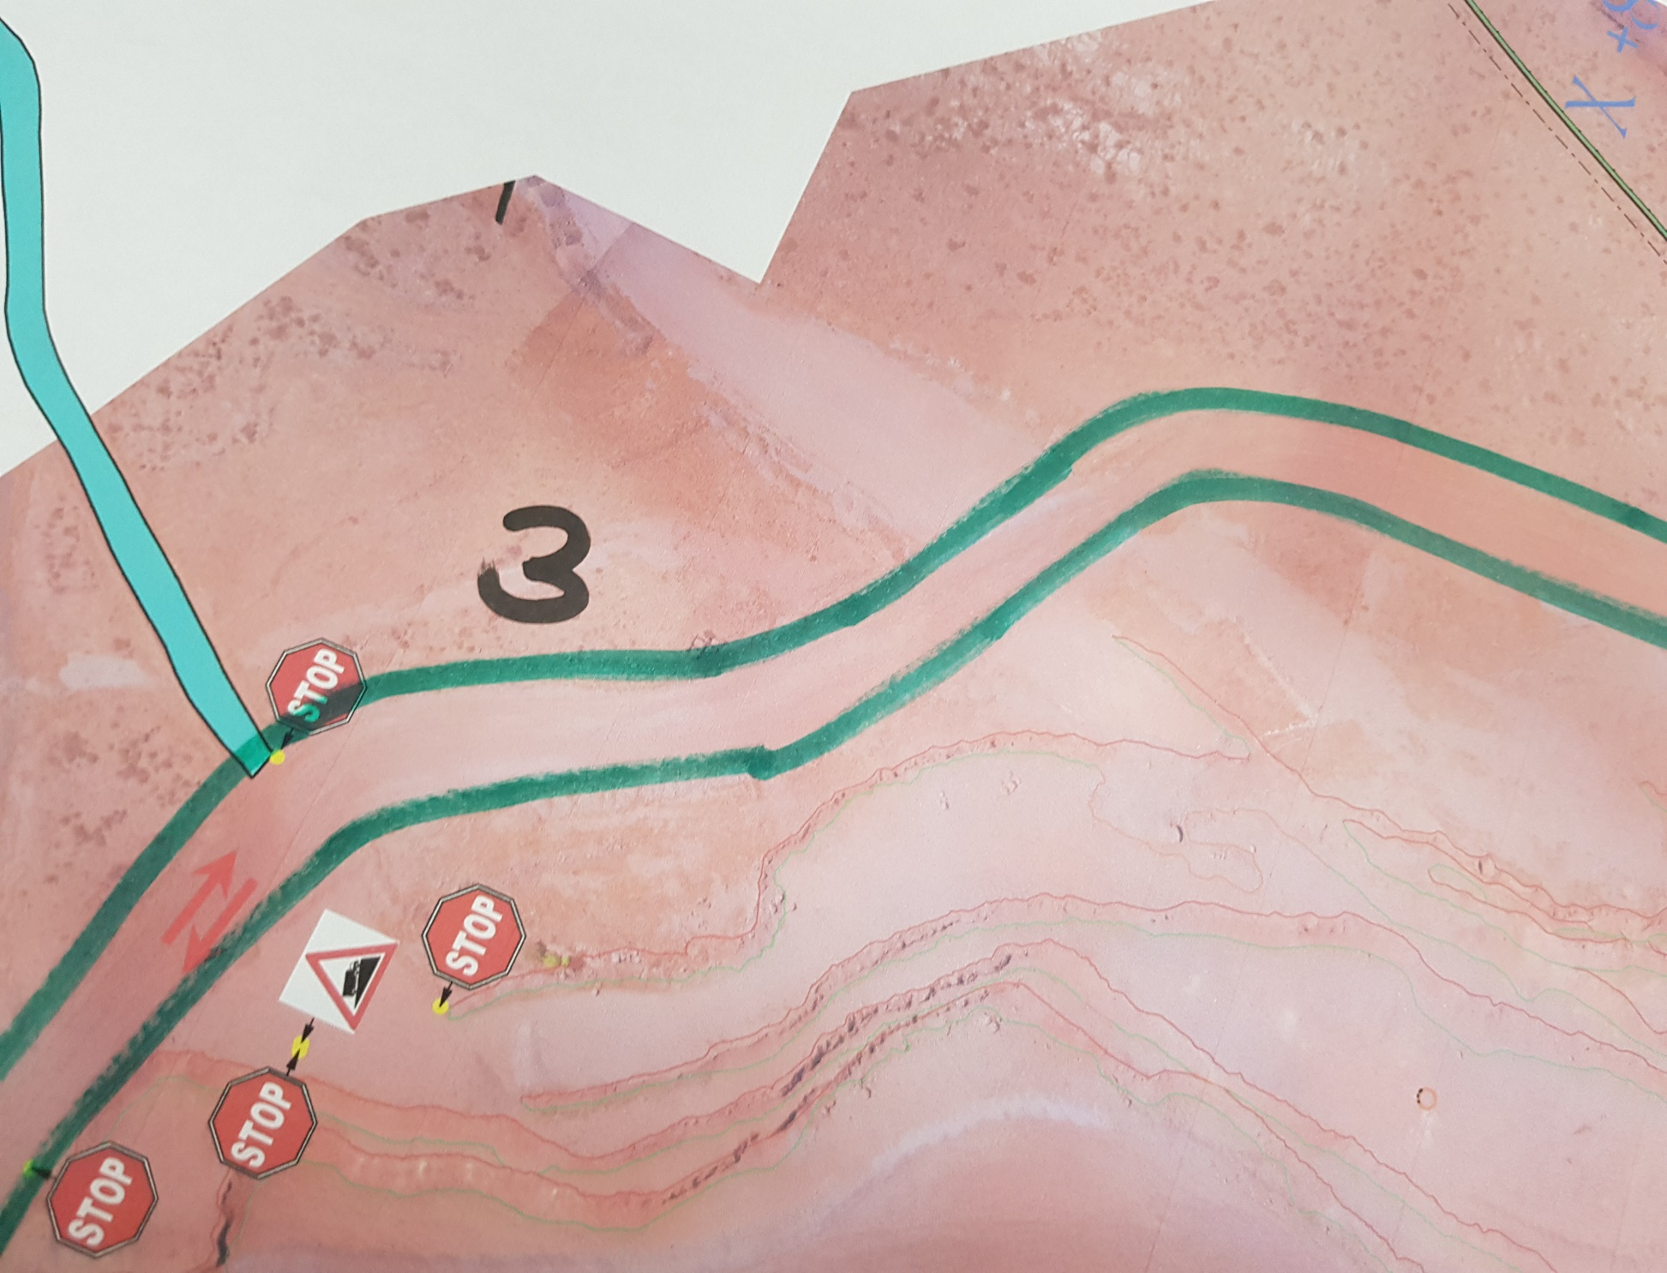
 | Location: Ramp 03
 | Operation: Mining Pit
 | Hazard | Risk -Unwanted Event | Interim/Current Controls | Risk Ranking |  |  | Additional Controls (Road design , maintenance and construction standard)
 |  |  |  | L | S | Risk Level
1 | Open Crest next to road | Vehicle falling from an elevated position due to exposed open crest-Fatality , injury or property damage | 1.Road Safe declaration, 2.Safety inspections | 2 | 4 | 12 | 1.Introduce crest berms that will prevent vehicle from falling over crest (Refer to standard)
2 | Slippery / wet road conditions-Skidding of vehicle | TMM to TMM head -on collision or TMM collide into structures(High wall/void)-Fatality, injury or property damage | 1.Watering the ramp at intervals 2.Stop operation when road is unsafe | 2 | 4 | 12 | 1.Sufficient waiting time after watering incline and declines (Refer to standard)
3 | Loose rocks on ramp | Machine driving over loose rocks /Operator avoiding rocks and collide into structure or into on-coming TMM causing Tyre damage/ –Property damage | 1.Grader to maintain road , remove rocks (Grader and tyre dozer), 2.Procedure refer | 2 | 2 | 5 | 1.Loading to loading specification/procedure(Refer to standard)
4 | Direct sun light into operator eyes (E/W /W/E -Direction) | Operator sight restricted -TMM to TMM head -on collision or TMM collide into structures(High wall/void)-Fatality, injury or property damage | 1.Standard sun visor | 2 | 4 | 12 | 1.Install sun shield 2.Install apporiate sun visor 3.Provide sun glasses
5 | Erosion of road surface/side berms due to excessive water | TMM to TMM head -on collision or TMM collide into structures(High wall/void)-Fatality, injury or property damage | 1.Drainage system | 1 | 4 | 7 | 1.Drainage to spec (Refer to standard), 2.Road profile to specification (Refer to standard) | Road and Machine Specification
6 | Vehicles exposed to Decline/Incline (Ramps) | Run-away of vehicle ,TMM to TMM head -on collision or TMM collide into structures(High wall/void),Machine topple over | 1.Apply emergency procedures, 2.Speed limits | 2 | 4 | 12 | 1.Side and centre berms specific for ramps (Refer to standard) | Type | Results | Type | Results
 |  |  |  |  |  |  |  | Width |  | Exposed Vehicles
 |  |  |  |  |  |  |  | Length |  | Length of biggest vehicle
 |  |  |  |  |  |  |  | Road Classification | 1 | Width of biggest vehicle

Ramp 04-Risk Identification
 | Risk Profile |  |  |  |  |  |  | Location

 | Issue Assessed : Ramps (Incline and Decline) |  |  |  |  |  |  | 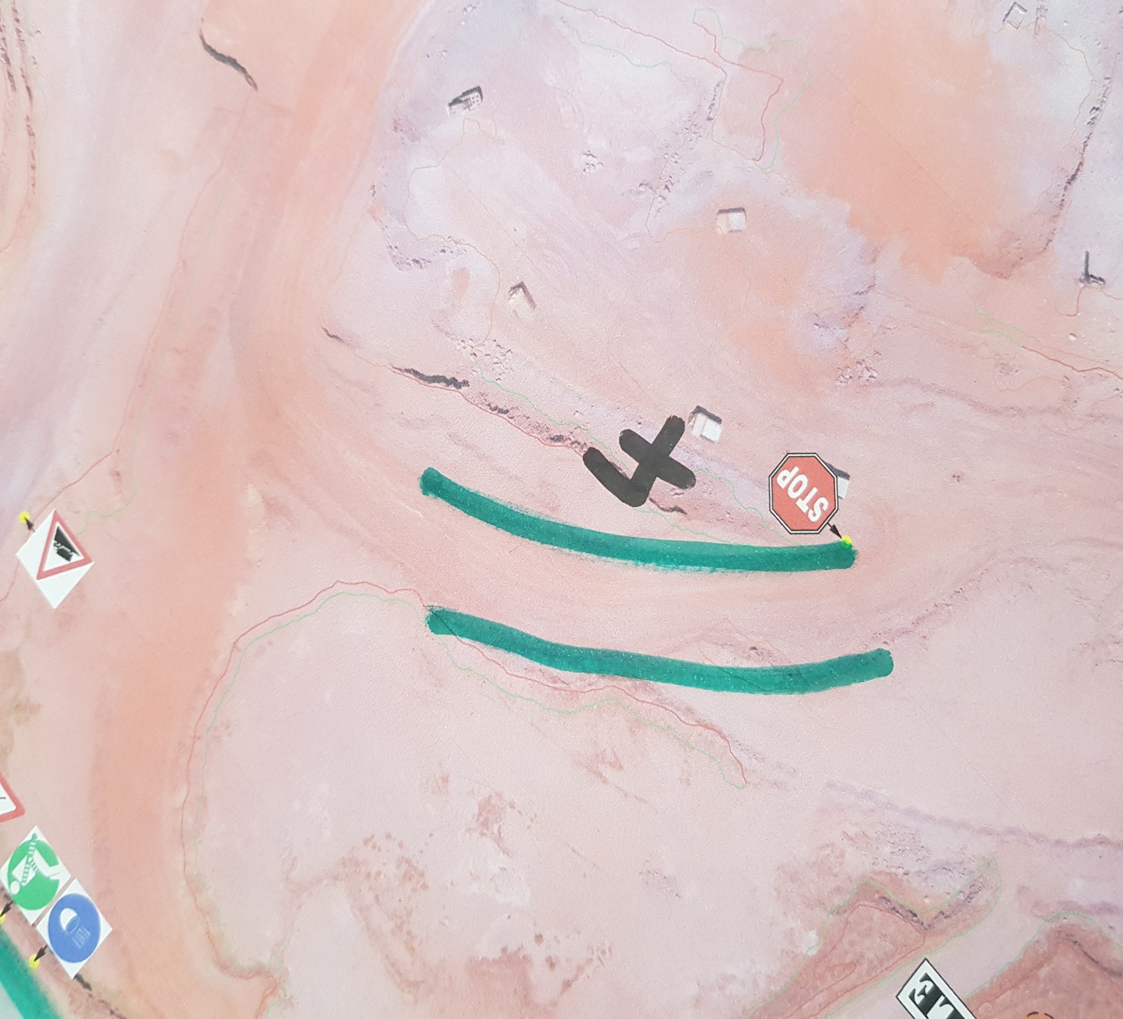
 | Location: Ramp 04
 | Operation: Mining Pit
 | Hazard | Risk -Unwanted Event | Interim/Current Controls | Risk Ranking |  |  | Additional Controls (Road design , maintenance and construction standard)
 |  |  |  | L | S | Risk Level
1 | Narrow Road/Ramp (Road smaller than three times largest vehicle) | TMM to TMM head- on collision- Multiple Fatalities , Injury or Property Damage | 1.Restrict vehicle speed, 2.Limith number of vehicles on ramp to one at a time (Traffic control),Loaded vehicles to have right of way,provide safe waiting for unloaded vehicles. | 2 | 4 | 12 | 1.Ramp width wide enough to facilitate center and side berms with sufficient space for safe movement.(Refer to standard)
2 | Open Crest next to road | Vehicle falling from an elevated position due to exposed open crest-Fatality , injury or property damage | 1.Road Safe declaration, 2.Safety inspections | 1 | 4 | 12 | 1.Introduce crest berms that will prevent vehicle from falling over crest (Refer to standard)
3 | Slippery / wet road conditions-Skidding of vehicle | TMM to TMM head -on collision or TMM collide into structures(High wall/void)-Fatality, injury or property damage | 1.Watering the ramp at intervals 2.Stop operation when road is unsafe | 2 | 4 | 12 | 1.Sufficient waiting time after watering incline and declines (Refer to standard)
4 | Smooth material for road surface (Increase probality for slippery road conditions) | TMM to TMM head -on collision or TMM collide into structures(High wall/void)-Fatality, injury or property damage | 1.Road construction practice (Use of Coarse material ontop of slippery surface . | 2 | 4 | 12 | 1.Coarse road surface material (Refer to standard)
5 | Decline entering straight into the Loading zone (Loading operation)(Unprocted) (First block after ramp was established) | Run-away of truck colliding with loader and or haul truck- Fatality , injury or property damage | 1.No controls, 2.Apply emergency procedure | 2 | 4 | 12 | 1.Run-away arrestor berms (Refer to standard), 2.Decline protection berm (Refer to standard)
6 | Loose rocks on ramp | Machine driving over loose rocks /Operator avoiding rocks and collide into structure or into on-coming TMM causing Tyre damage/ –Property damage | 1.Grader to maintain road , remove rocks (Grader and tyre dozer), 2.Procedure refer | 2 | 2 | 5 | 1.Loading to loading specification/procedure(Refer to standard)
7 | Direct sun light into operator eyes (E/W /W/E -Direction) | Operator sight restricted -TMM to TMM head -on collision or TMM collide into structures(High wall/void)-Fatality, injury or property damage | 1.Standard sun visor | 2 | 4 | 12 | 1.Install sun shield 2.Install apporiate sun visor 3.Provide sun glasses
8 | Erosion of road surface/side berms due to excessive water | TMM to TMM head -on collision or TMM collide into structures(High wall/void)-Fatality, injury or property damage | 1.Drainage system | 1 | 4 | 7 | 1.Drainage to spec (Refer to standard), 2.Road profile to specification (Refer to standard) | Road and Machine Specification
9 | Vehicles exposed to Decline/Incline (Ramps) | Run-away of vehicle ,TMM to TMM head -on collision or TMM collide into structures(High wall/void),Machine topple over | 1.Apply emergency procedures, 2.Speed limits | 2 | 4 | 12 | 1.Side and centre berms specific for ramps (Refer to standard) | Type | Results | Type | Results
 |  |  |  |  |  |  |  | Width |  | Exposed Vehicles
 |  |  |  |  |  |  |  | Length |  | Length of biggest vehicle
 |  |  |  |  |  |  |  | Road Classification | 2 | Width of biggest vehicle

Ramp 05- Risk Identification
 | Risk Profile |  |  |  |  |  |  | Location

 | Issue Assessed : Ramps (Incline and Decline) |  |  |  |  |  |  | 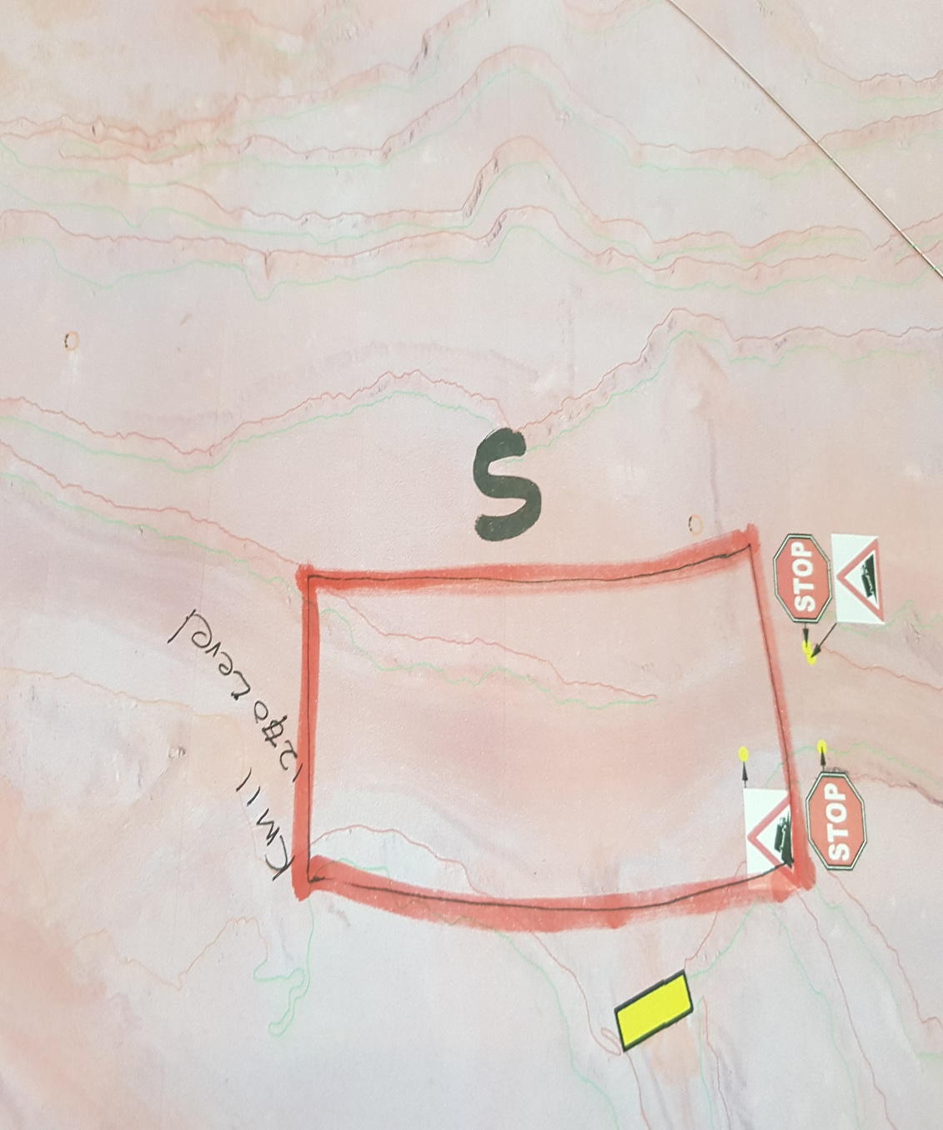
 | Location: Ramp 05
 | Operation: Mining Pit
 | Hazard | Risk -Unwanted Event | Interim/Current Controls | Risk Ranking |  |  | Additional Controls (Road design , maintenance and construction standard)
 |  |  |  | L | S | Risk Level
1 | Narrow Road/Ramp (Road smaller than three times largest vehicle) | TMM to TMM head- on collision- Multiple Fatalities , Injury or Property Damage | 1.Restrict vehicle speed, 2.Limith number of vehicles on ramp to one at a time (Traffic control),Loaded vehicles to have right of way,provide safe waiting for unloaded vehicles. | 2 | 4 | 12 | 1.Ramp width wide enough to facilitate center and side berms with sufficient space for safe movement.(Refer to standard)
2 | Open Crest next to road | Vehicle falling from an elevated position due to exposed open crest-Fatality , injury or property damage | 1.Road Safe declaration, 2.Safety inspections | 1 | 4 | 7 | 1.Introduce crest berms that will prevent vehicle from falling over crest (Refer to standard)
3 | Slippery / wet road conditions-Skidding of vehicle | TMM to TMM head -on collision or TMM collide into structures(High wall/void)-Fatality, injury or property damage | 1.Watering the ramp at intervals 2.Stop operation when road is unsafe | 2 | 4 | 12 | 1.Sufficient waiting time after watering incline and declines (Refer to standard)
4 | Smooth material for road surface (Increase probality for slippery road conditions) | TMM to TMM head -on collision or TMM collide into structures(High wall/void)-Fatality, injury or property damage | 1.Road construction practice (Use of Coarse material ontop of slippery surface . | 2 | 4 | 12 | 1.Coarse road surface material (Refer to standard)
5 | Decline/Incline Angle > larger than vehicle safe operating ability | Run-away of vehicle ,TMM to TMM head -on collision or TMM collide into structures(High wall/void),Machine topple over | 1.Apply emergency procedures, 2.Speed limits | 3 | 5 | 20 | 1.Ramp angles smaller than safe operating angle for the specific vehicles. (Refer to standard), 2.Run-away arrestor berms (Refer to standard), 3.Side berms specific for ramps (Refer to standard) | Road and Machine Specification
6 | Loose rocks on ramp | Machine driving over loose rocks /Operator avoiding rocks and collide into structure or into on-coming TMM causing Tyre damage/ –Property damage | 1.Grader to maintain road , remove rocks (Grader and tyre dozer), 2.Procedure refer | 2 | 2 | 5 | 1.Loading to loading specification/procedure(Refer to standard) | Type | Results | Type | Results
7 | Erosion of road surface/side berms due to excessive water | TMM to TMM head -on collision or TMM collide into structures(High wall/void)-Fatality, injury or property damage | 1.Drainage system | 1 | 4 | 7 | 1.Drainage to spec (Refer to standard), 2.Road profile to specification (Refer to standard) | Width |  | Exposed Vehicles
 |  |  |  |  |  |  |  | Length |  | Length of biggest vehicle
 |  |  |  |  |  |  |  | Road Classification | 2 | Width of biggest vehicle

Ramp 06-Risk Identification
 | Risk Profile |  |  |  |  |  |  | Location

 | Issue Assessed : Ramps (Incline and Decline) |  |  |  |  |  |  | 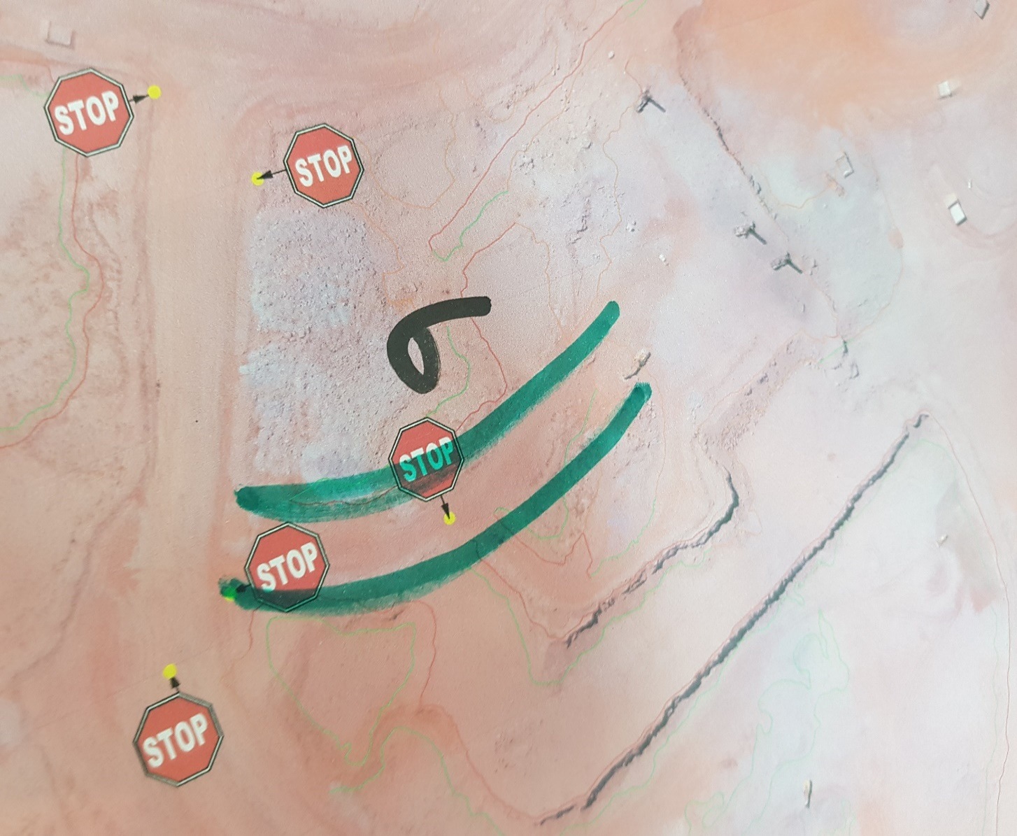
 | Location: Ramp 06
 | Operation: Mining Pit
 | Hazard | Risk -Unwanted Event | Interim/Current Controls | Risk Ranking |  |  | Additional Controls (Road design , maintenance and construction standard)
 |  |  |  | L | S | Risk Level
1 | Narrow Road/Ramp (Road smaller than three times largest vehicle) | TMM to TMM head- on collision- Multiple Fatalities , Injury or Property Damage | 1.Restrict vehicle speed, 2.Limith number of vehicles on ramp to one at a time (Traffic control),Loaded vehicles to have right of way,provide safe waiting for unloaded vehicles. | 2 | 4 | 12 | 1.Ramp width wide enough to facilitate center and side berms with sufficient space for safe movement.(Refer to standard)
2 | Open Crest next to road | Vehicle falling from an elevated position due to exposed open crest-Fatality , injury or property damage | 1.Road Safe declaration, 2.Safety inspections | 1 | 4 | 12 | 1.Introduce crest berms that will prevent vehicle from falling over crest (Refer to standard)
3 | Slippery / wet road conditions-Skidding of vehicle | TMM to TMM head -on collision or TMM collide into structures(High wall/void)-Fatality, injury or property damage | 1.Watering the ramp at intervals 2.Stop operation when road is unsafe | 2 | 4 | 12 | 1.Sufficient waiting time after watering incline and declines (Refer to standard)
4 | Smooth material for road surface (Increase probality for slippery road conditions) | TMM to TMM head -on collision or TMM collide into structures(High wall/void)-Fatality, injury or property damage | 1.Road construction practice (Use of Coarse material ontop of slippery surface . | 2 | 4 | 12 | 1.Coarse road surface material (Refer to standard)
5 | Decline entering straight into the Loading zone (Loading operation)(Unprocted) (First block after ramp was established) | Run-away of truck colliding with loader and or haul truck- Fatality , injury or property damage | 1.No controls, 2.Apply emergency procedure | 2 | 4 | 12 | 1.Run-away arrestor berms (Refer to standard), 2.Decline protection berm (Refer to standard) | Road and Machine Specification
6 | Loose rocks on ramp | Machine driving over loose rocks /Operator avoiding rocks and collide into structure or into on-coming TMM causing Tyre damage/ –Property damage | 1.Grader to maintain road , remove rocks (Grader and tyre dozer), 2.Procedure refer | 2 | 2 | 5 | 1.Loading to loading specification/procedure(Refer to standard) | Type | Results | Type | Results
7 | Direct sun light into operator eyes (E/W /W/E -Direction) | Operator sight restricted -TMM to TMM head -on collision or TMM collide into structures(High wall/void)-Fatality, injury or property damage | 1.Standard sun visor | 2 | 4 | 12 | 1.Install sun shield 2.Install apporiate sun visor 3.Provide sun glasses | Width |  | Exposed Vehicles
8 | Erosion of road surface/side berms due to excessive water | TMM to TMM head -on collision or TMM collide into structures(High wall/void)-Fatality, injury or property damage | 1.Drainage system | 1 | 4 | 7 | 1.Drainage to spec (Refer to standard), 2.Road profile to specification (Refer to standard) | Length |  | Length of biggest vehicle
9 | Vehicles exposed to Decline/Incline (Ramps) | Run-away of vehicle ,TMM to TMM head -on collision or TMM collide into structures(High wall/void),Machine topple over | 1.Apply emergency procedures, 2.Speed limits | 2 | 4 | 12 | 1.Ramp angles smaller than safe operating angle for the specific vehicles. (Refer to standard), 2.Run-away arrestor berms (Refer to standard), 3.Side and centre berms specific for ramps (Refer to standard) | Road Classification | 2 | Width of biggest vehicle

Ramp 07-Risk Identification
 | Risk Profile |  |  |  |  |  |  | Location

 | Issue Assessed : Ramps (Incline and Decline) |  |  |  |  |  |  | 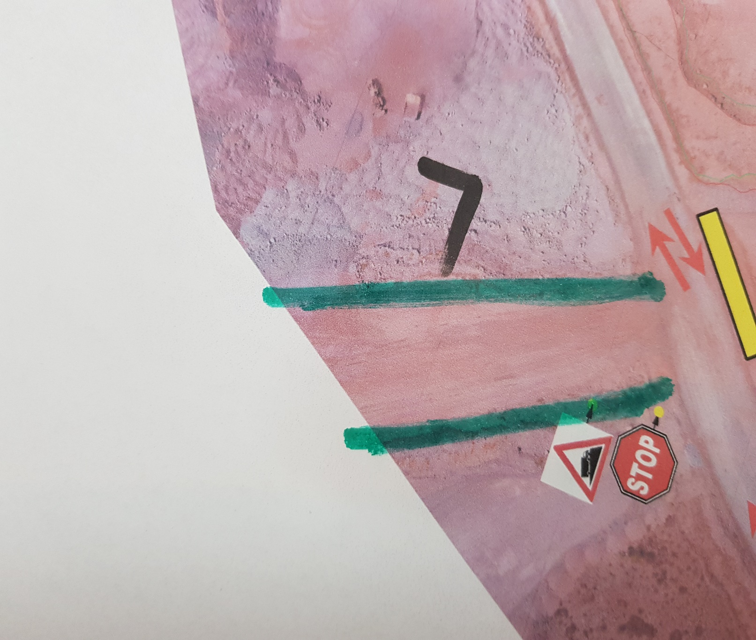
 | Location: Ramp 07
 | Operation: Mining Pit
 | Hazard | Risk -Unwanted Event | Interim/Current Controls | Risk Ranking |  |  | Additional Controls (Road design , maintenance and construction standard)
 |  |  |  | L | S | Risk Level
1 | Narrow Road/Ramp (Road smaller than three times largest vehicle) | TMM to TMM head- on collision- Multiple Fatalities , Injury or Property Damage | 1.Restrict vehicle speed, 2.Limith number of vehicles on ramp to one at a time (Traffic control),Loaded vehicles to have right of way,provide safe waiting for unloaded vehicles. | 2 | 4 | 12 | 1.Ramp width wide enough to facilitate center and side berms with sufficient space for safe movement.(Refer to standard)
2 | Open Crest next to road | Vehicle falling from an elevated position due to exposed open crest-Fatality , injury or property damage | 1.Road Safe declaration, 2.Safety inspections | 1 | 4 | 12 | 1.Introduce crest berms that will prevent vehicle from falling over crest (Refer to standard)
3 | Slippery / wet road conditions-Skidding of vehicle | TMM to TMM head -on collision or TMM collide into structures(High wall/void)-Fatality, injury or property damage | 1.Watering the ramp at intervals 2.Stop operation when road is unsafe | 2 | 4 | 12 | 1.Sufficient waiting time after watering incline and declines (Refer to standard)
4 | Smooth material for road surface (Increase probality for slippery road conditions) | TMM to TMM head -on collision or TMM collide into structures(High wall/void)-Fatality, injury or property damage | 1.Road construction practice (Use of Coarse material ontop of slippery surface . | 2 | 4 | 12 | 1.Coarse road surface material (Refer to standard)
5 | Loose rocks on ramp | Machine driving over loose rocks /Operator avoiding rocks and collide into structure or into on-coming TMM causing Tyre damage/ –Property damage | 1.Grader to maintain road , remove rocks (Grader and tyre dozer), 2.Procedure refer | 2 | 2 | 5 | 1.Loading to loading specification/procedure(Refer to standard) | Road and Machine Specification
6 | Direct sun light into operator eyes (E/W /W/E -Direction) | Operator sight restricted -TMM to TMM head -on collision or TMM collide into structures(High wall/void)-Fatality, injury or property damage | 1.Standard sun visor | 2 | 4 | 12 | 1.Install sun shield 2.Install apporiate sun visor 3.Provide sun glasses | Type | Results | Type | Results
7 | Erosion of road surface/side berms due to excessive water | TMM to TMM head -on collision or TMM collide into structures(High wall/void)-Fatality, injury or property damage | 1.Drainage system | 1 | 4 | 7 | 1.Drainage to spec (Refer to standard), 2.Road profile to specification (Refer to standard) | Width |  | Exposed Vehicles
8 | Vehicles exposed to Decline/Incline (Ramps) | Run-away of vehicle ,TMM to TMM head -on collision or TMM collide into structures(High wall/void),Machine topple over | 1.Apply emergency procedures, 2.Speed limits | 2 | 4 | 12 | 1.Side and centre berms specific for ramps (Refer to standard) | Length |  | Length of biggest vehicle
 |  |  |  |  |  |  |  | Road Classification | 2 | Width of biggest vehicle

Ramp 08-Risk Identification
 | Risk Profile |  |  |  |  |  |  | Location

 | Issue Assessed : Ramps (Incline and Decline) |  |  |  |  |  |  | 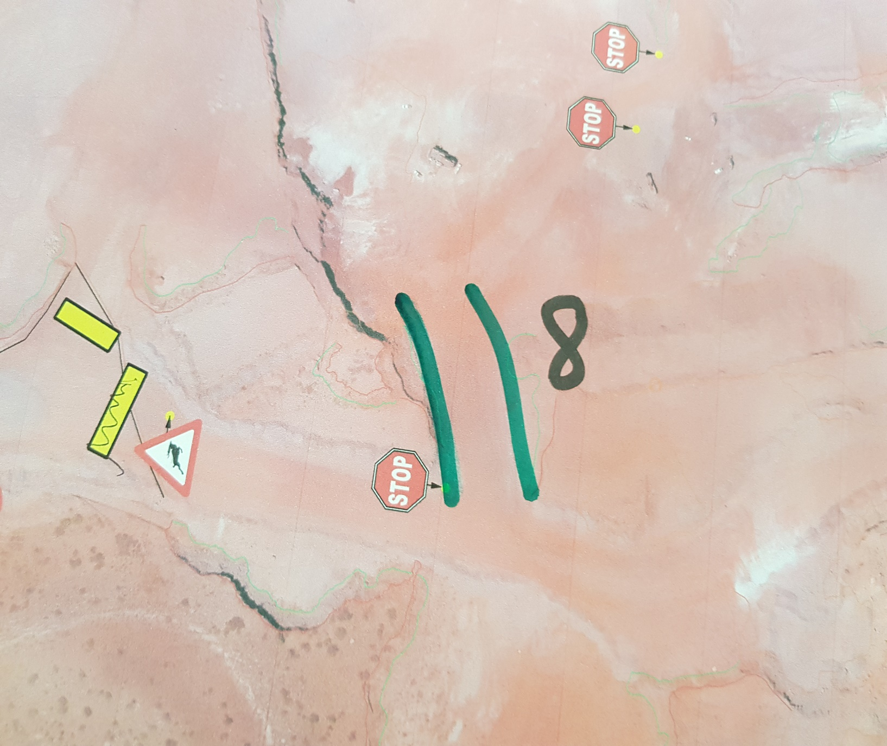
 | Location: Ramp 08
 | Operation: Mining Pit
 | Hazard | Risk -Unwanted Event | Interim/Current Controls | Risk Ranking |  |  | Additional Controls (Road design , maintenance and construction standard)
 |  |  |  | L | S | Risk Level
1 | Narrow Road/Ramp (Road smaller than three times largest vehicle) | TMM to TMM head- on collision- Multiple Fatalities , Injury or Property Damage | 1.Restrict vehicle speed, 2.Limith number of vehicles on ramp to one at a time (Traffic control),Loaded vehicles to have right of way,provide safe waiting for unloaded vehicles. | 2 | 4 | 12 | 1.Ramp width wide enough to facilitate center and side berms with sufficient space for safe movement.(Refer to standard)
2 | Open Crest next to road | Vehicle falling from an elevated position due to exposed open crest-Fatality , injury or property damage | 1.Road Safe declaration, 2.Safety inspections | 1 | 4 | 12 | 1.Introduce crest berms that will prevent vehicle from falling over crest (Refer to standard)
3 | Slippery / wet road conditions-Skidding of vehicle | TMM to TMM head -on collision or TMM collide into structures(High wall/void)-Fatality, injury or property damage | 1.Watering the ramp at intervals 2.Stop operation when road is unsafe | 2 | 4 | 12 | 1.Sufficient waiting time after watering incline and declines (Refer to standard)
4 | Smooth material for road surface (Increase probality for slippery road conditions) | TMM to TMM head -on collision or TMM collide into structures(High wall/void)-Fatality, injury or property damage | 1.Road construction practice (Use of Coarse material ontop of slippery surface . | 2 | 4 | 12 | 1.Coarse road surface material (Refer to standard)
5 | Decline entering straight into the Loading zone (Loading operation)(Unprocted) (First block after ramp was established) | Run-away of truck colliding with loader and or haul truck- Fatality , injury or property damage | 1.No controls, 2.Apply emergency procedure | 2 | 4 | 12 | 1.Run-away arrestor berms (Refer to standard), 2.Decline protection berm (Refer to standard) | Road and Machine Specification
6 | Loose rocks on the side of the high wall | Rocks fall onto truck causing damage to the truck / rocks falling onto the road-Machine driving over loose rocks /Operator avoiding rocks and collide into structure or into on-coming TMM | 1.Catchment berm | 2 | 2 | 5 | 1.Loading to loading specification/procedure(Refer to standard) 2.Catchment berm (Refer to standard) | Type | Results | Type | Results
7 | Loose rocks on ramp | Machine driving over loose rocks /Operator avoiding rocks and collide into structure or into on-coming TMM causing Tyre damage/ –Property damage | 1.Grader to maintain road , remove rocks (Grader and tyre dozer), 2.Procedure refer | 2 | 2 | 5 | 1.Loading to loading specification/procedure(Refer to standard) | Width |  | Exposed Vehicles
8 | Direct sun light into operator eyes (E/W /W/E -Direction) | Operator sight restricted -TMM to TMM head -on collision or TMM collide into structures(High wall/void)-Fatality, injury or property damage | 1.Standard sun visor | 2 | 4 | 12 | 1.Install sun shield 2.Install apporiate sun visor 3.Provide sun glasses | Length |  | Length of biggest vehicle
9 | Erosion of road surface/side berms due to excessive water | TMM to TMM head -on collision or TMM collide into structures(High wall/void)-Fatality, injury or property damage | 1.Drainage system | 1 | 4 | 7 | 1.Drainage to spec (Refer to standard), 2.Road profile to specification (Refer to standard) | Road Classification | 2 | Width of biggest vehicle
10 | Vehicles exposed to Decline/Incline (Ramps) | Run-away of vehicle ,TMM to TMM head -on collision or TMM collide into structures(High wall/void),Machine topple over | 1.Apply emergency procedures, 2.Speed limits | 2 | 4 | 12 | 1.Side and centre berms specific for ramps (Refer to standard)

Ramp 09-Risk Identification
 | Risk Profile |  |  |  |  |  |  | Location

 | Issue Assessed : Ramps (Incline and Decline) |  |  |  |  |  |  | 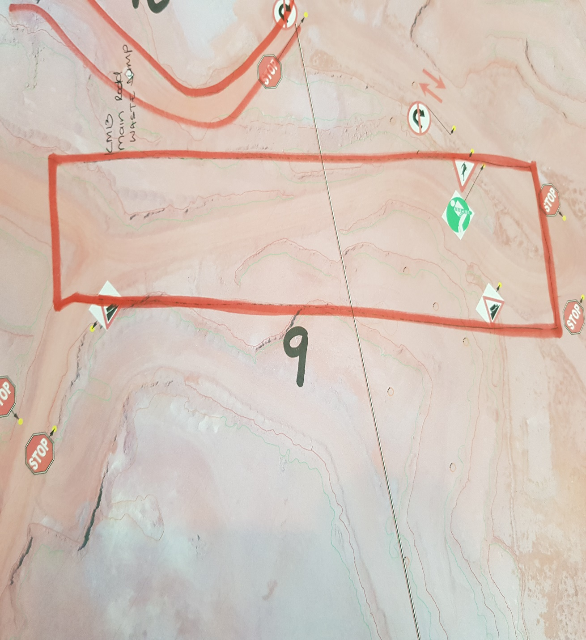
 | Location: Ramp 09
 | Operation: Mining Pit
 | Hazard | Risk -Unwanted Event | Interim/Current Controls | Risk Ranking |  |  | Additional Controls (Road design , maintenance and construction standard)
 |  |  |  | L | S | Risk Level
1 | Narrow Road/Ramp (Road smaller than three times largest vehicle) | TMM to TMM head- on collision- Multiple Fatalities , Injury or Property Damage | 1.Restrict vehicle speed, 2.Limith number of vehicles on ramp to one at a time (Traffic control),Loaded vehicles to have right of way,provide safe waiting for unloaded vehicles. | 2 | 4 | 12 | 1.Ramp width wide enough to facilitate center and side berms with sufficient space for safe movement.(Refer to standard)
2 | Open Crest next to road | Vehicle falling from an elevated position due to exposed open crest-Fatality , injury or property damage | 1.Road Safe declaration, 2.Safety inspections | 1 | 4 | 7 | 1.Introduce crest berms that will prevent vehicle from falling over crest (Refer to standard)
3 | Slippery / wet road conditions-Skidding of vehicle | TMM to TMM head -on collision or TMM collide into structures(High wall/void)-Fatality, injury or property damage | 1.Watering the ramp at intervals 2.Stop operation when road is unsafe | 2 | 4 | 12 | 1.Sufficient waiting time after watering incline and declines (Refer to standard)
4 | Smooth material for road surface (Increase probality for slippery road conditions) | TMM to TMM head -on collision or TMM collide into structures(High wall/void)-Fatality, injury or property damage | 1.Road construction practice (Use of Coarse material ontop of slippery surface . | 2 | 4 | 12 | 1.Coarse road surface material (Refer to standard)
5 | Decline/Incline Angle > larger than vehicle safe operating ability | Run-away of vehicle ,TMM to TMM head -on collision or TMM collide into structures(High wall/void),Machine topple over | 1.Apply emergency procedures, 2.Speed limits | 3 | 5 | 20 | 1.Ramp angles smaller than safe operating angle for the specific vehicles. (Refer to standard), 2.Run-away arrestor berms (Refer to standard), 3.Side berms specific for ramps (Refer to standard) | Road and Machine Specification
6 | Loose rocks on ramp | Machine driving over loose rocks /Operator avoiding rocks and collide into structure or into on-coming TMM causing Tyre damage/ –Property damage | 1.Grader to maintain road , remove rocks (Grader and tyre dozer), 2.Procedure refer | 2 | 2 | 5 | 1.Loading to loading specification/procedure(Refer to standard) | Type | Results | Type | Results
7 | Loose rocks on the side of the high wall | Rocks fall onto truck causing damage to the truck / rocks falling onto the road-Machine driving over loose rocks /Operator avoiding rocks and collide into structure or into on-coming TMM | 1.Catchment berm | 2 | 2 | 5 | 1.Loading to loading specification/procedure(Refer to standard) 2.Catchment berm (Refer to standard) | Width |  | Exposed Vehicles
8 | Erosion of road surface/side berms due to excessive water | TMM to TMM head -on collision or TMM collide into structures(High wall/void)-Fatality, injury or property damage | 1.Drainage system | 1 | 4 | 7 | 1.Drainage to spec (Refer to standard), 2.Road profile to specification (Refer to standard) | Length |  | Length of biggest vehicle
 |  |  |  |  |  |  |  | Road Classification | 2 | Width of biggest vehicle

Ramp 10-Risk Identification
 | Risk Profile |  |  |  |  |  |  | Location

 | Issue Assessed : Ramps (Incline and Decline) |  |  |  |  |  |  | 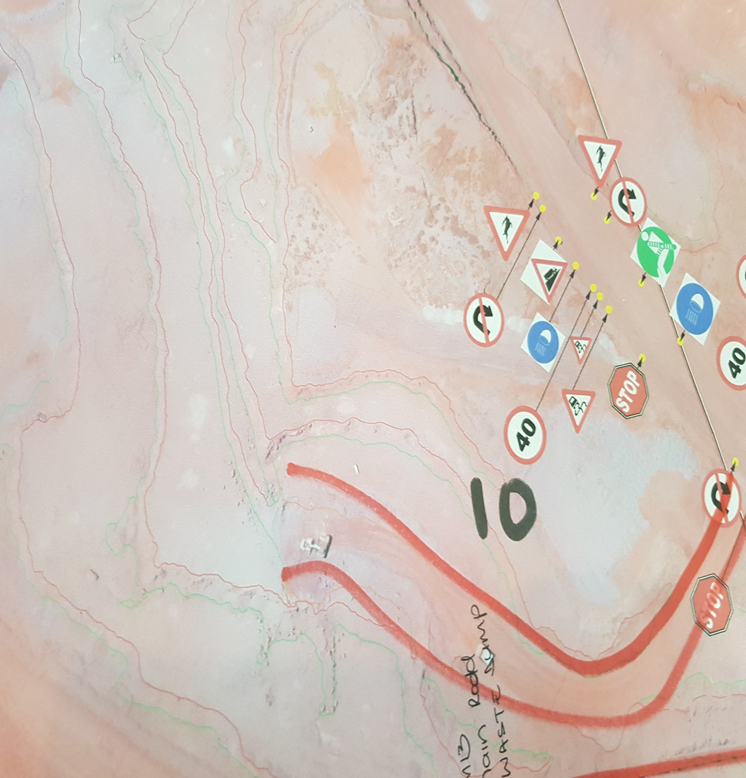
 | Location: Ramp 10
 | Operation: Mining Pit
 | Hazard | Risk -Unwanted Event | Interim/Current Controls | Risk Ranking |  |  | Additional Controls (Road design , maintenance and construction standard)
 |  |  |  | L | S | Risk Level
1 | Narrow Road/Ramp (Road smaller than three times largest vehicle) | TMM to TMM head- on collision- Multiple Fatalities , Injury or Property Damage | 1.Restrict vehicle speed, 2.Limith number of vehicles on ramp to one at a time (Traffic control),Loaded vehicles to have right of way,provide safe waiting for unloaded vehicles. | 2 | 4 | 12 | 1.Ramp width wide enough to facilitate center and side berms with sufficient space for safe movement.(Refer to standard)
2 | Open Crest next to road | Vehicle falling from an elevated position due to exposed open crest-Fatality , injury or property damage | 1.Road Safe declaration, 2.Safety inspections | 1 | 4 | 7 | 1.Introduce crest berms that will prevent vehicle from falling over crest (Refer to standard)
3 | Slippery / wet road conditions-Skidding of vehicle | TMM to TMM head -on collision or TMM collide into structures(High wall/void)-Fatality, injury or property damage | 1.Watering the ramp at intervals 2.Stop operation when road is unsafe | 2 | 4 | 12 | 1.Sufficient waiting time after watering incline and declines (Refer to standard)
4 | Smooth material for road surface (Increase probality for slippery road conditions) | TMM to TMM head -on collision or TMM collide into structures(High wall/void)-Fatality, injury or property damage | 1.Road construction practice (Use of Coarse material ontop of slippery surface . | 2 | 4 | 12 | 1.Coarse road surface material (Refer to standard)
5 | Decline/Incline Angle > larger than vehicle safe operating ability | Run-away of vehicle ,TMM to TMM head -on collision or TMM collide into structures(High wall/void),Machine topple over | 1.Apply emergency procedures, 2.Speed limits | 3 | 5 | 20 | 1.Ramp angles smaller than safe operating angle for the specific vehicles. (Refer to standard), 2.Run-away arrestor berms (Refer to standard), 3.Side berms specific for ramps (Refer to standard) | Road and Machine Specification
6 | Loose rocks on ramp | Machine driving over loose rocks /Operator avoiding rocks and collide into structure or into on-coming TMM causing Tyre damage/ –Property damage | 1.Grader to maintain road , remove rocks (Grader and tyre dozer), 2.Procedure refer | 2 | 2 | 5 | 1.Loading to loading specification/procedure(Refer to standard) | Type | Results | Type | Results
7 | Loose rocks on the side of the high wall | Rocks fall onto truck causing damage to the truck / rocks falling onto the road-Machine driving over loose rocks /Operator avoiding rocks and collide into structure or into on-coming TMM | 1.Catchment berm | 2 | 2 | 5 | 1.Loading to loading specification/procedure(Refer to standard) 2.Catchment berm (Refer to standard) | Width |  | Exposed Vehicles
8 | Erosion of road surface/side berms due to excessive water | TMM to TMM head -on collision or TMM collide into structures(High wall/void)-Fatality, injury or property damage | 1.Drainage system | 1 | 4 | 7 | 1.Drainage to spec (Refer to standard), 2.Road profile to specification (Refer to standard) | Length |  | Length of biggest vehicle
 |  |  |  |  |  |  |  | Road Classification | 2 | Width of biggest vehicle

Ramp 11-Risk Identification
 | Risk Profile |  |  |  |  |  |  | Location

 | Issue Assessed : Ramps (Incline and Decline) |  |  |  |  |  |  | 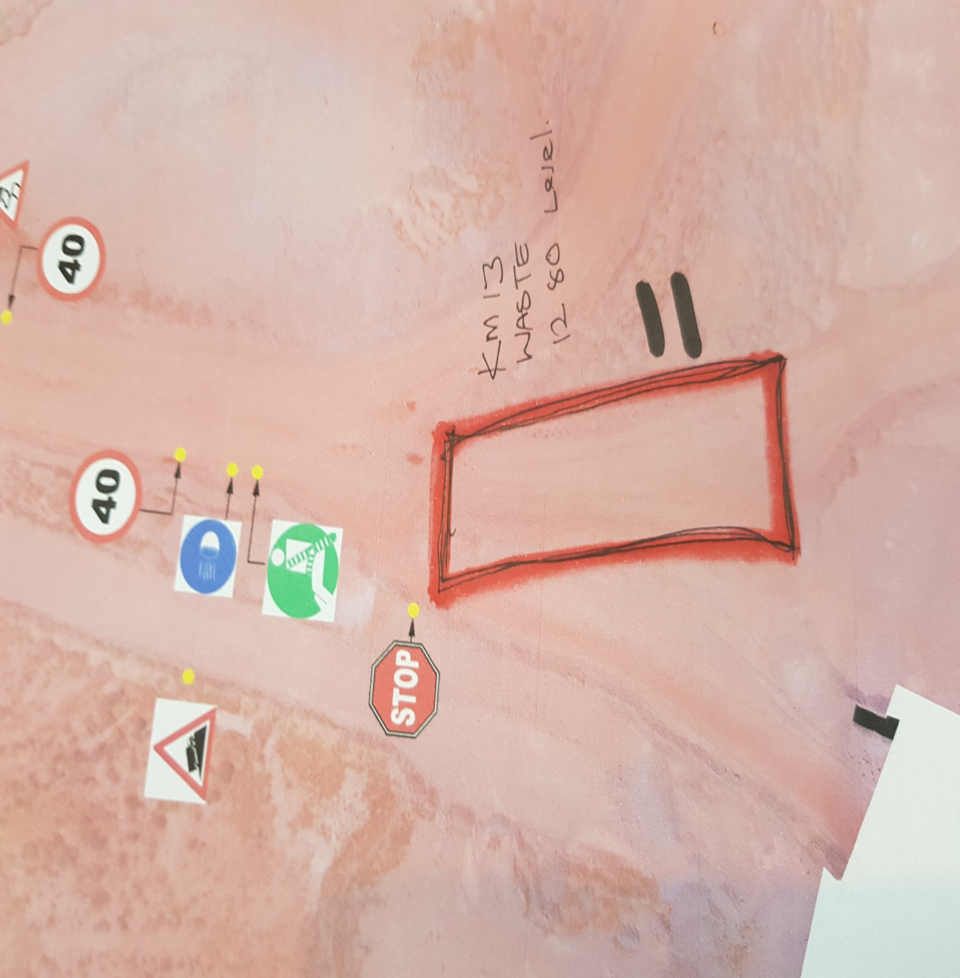
 | Location: Ramp 11
 | Operation: Mining Pit
 | Hazard | Risk -Unwanted Event | Interim/Current Controls | Risk Ranking |  |  | Additional Controls (Road design , maintenance and construction standard)
 |  |  |  | L | S | Risk Level
1 | Narrow Road/Ramp (Road smaller than three times largest vehicle) | TMM to TMM head- on collision- Multiple Fatalities , Injury or Property Damage | 1.Restrict vehicle speed, 2.Limith number of vehicles on ramp to one at a time (Traffic control),Loaded vehicles to have right of way,provide safe waiting for unloaded vehicles. | 2 | 4 | 12 | 1.Ramp width wide enough to facilitate center and side berms with sufficient space for safe movement.(Refer to standard)
2 | Slippery / wet road conditions-Skidding of vehicle | TMM to TMM head -on collision or TMM collide into structures(High wall/void)-Fatality, injury or property damage | 1.Watering the ramp at intervals 2.Stop operation when road is unsafe | 2 | 4 | 12 | 1.Sufficient waiting time after watering incline and declines (Refer to standard)
3 | Smooth material for road surface (Increase probality for slippery road conditions) | TMM to TMM head -on collision or TMM collide into structures(High wall/void)-Fatality, injury or property damage | 1.Road construction practice (Use of Coarse material ontop of slippery surface . | 2 | 4 | 12 | 1.Coarse road surface material (Refer to standard)
4 | Decline/Incline Angle > larger than vehicle safe operating ability | Run-away of vehicle ,TMM to TMM head -on collision or TMM collide into structures(High wall/void),Machine topple over | 1.Apply emergency procedures, 2.Speed limits | 3 | 5 | 20 | 1.Ramp angles smaller than safe operating angle for the specific vehicles. (Refer to standard), 2.Run-away arrestor berms (Refer to standard), 3.Side berms specific for ramps (Refer to standard)
5 | Loose rocks on ramp | Machine driving over loose rocks /Operator avoiding rocks and collide into structure or into on-coming TMM causing Tyre damage/ –Property damage | 1.Grader to maintain road , remove rocks (Grader and tyre dozer), 2.Procedure refer | 2 | 2 | 5 | 1.Loading to loading specification/procedure(Refer to standard) | Road and Machine Specification
6 | Erosion of road surface/side berms due to excessive water | TMM to TMM head -on collision or TMM collide into structures(High wall/void)-Fatality, injury or property damage | 1.Drainage system | 1 | 4 | 7 | 1.Drainage to spec (Refer to standard), 2.Road profile to specification (Refer to standard) | Type | Results | Type | Results
 |  |  |  |  |  |  |  | Width |  | Exposed Vehicles
 |  |  |  |  |  |  |  | Length |  | Length of biggest vehicle
 |  |  |  |  |  |  |  | Road Classification | 2 | Width of biggest vehicle

Ramp 12- Risk Identification
 | Risk Profile |  |  |  |  |  |  | Location

 | Issue Assessed : Ramps (Incline and Decline) |  |  |  |  |  |  | 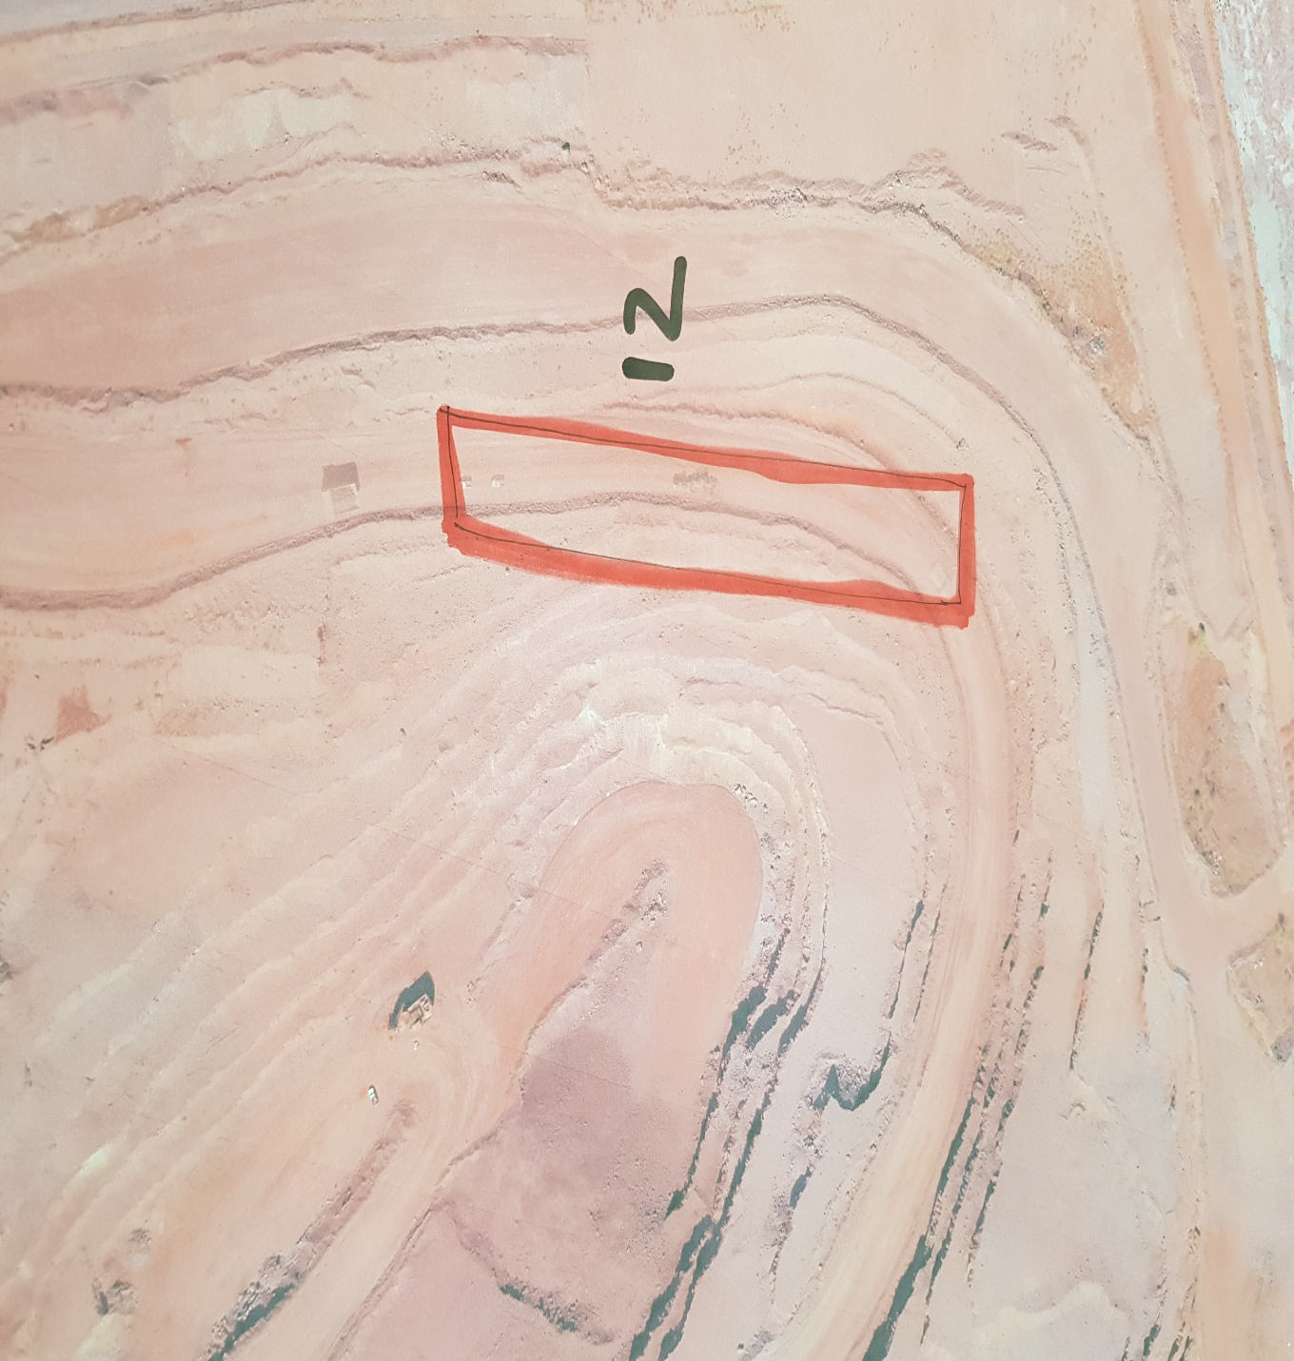
 | Location: Ramp 12
 | Operation: Mining Pit
 | Hazard | Risk -Unwanted Event | Interim/Current Controls | Risk Ranking |  |  | Additional Controls (Road design , maintenance and construction standard)
 |  |  |  | L | S | Risk Level
1 | Narrow Road/Ramp (Road smaller than three times largest vehicle) | TMM to TMM head- on collision- Multiple Fatalities , Injury or Property Damage | 1.Restrict vehicle speed, 2.Limith number of vehicles on ramp to one at a time (Traffic control),Loaded vehicles to have right of way,provide safe waiting for unloaded vehicles. | 2 | 4 | 12 | 1.Ramp width wide enough to facilitate center and side berms with sufficient space for safe movement.(Refer to standard)
2 | Open Crest next to road | Vehicle falling from an elevated position due to exposed open crest-Fatality , injury or property damage | 1.Road Safe declaration, 2.Safety inspections | 1 | 4 | 7 | 1.Introduce crest berms that will prevent vehicle from falling over crest (Refer to standard)
3 | Slippery / wet road conditions-Skidding of vehicle | TMM to TMM head -on collision or TMM collide into structures(High wall/void)-Fatality, injury or property damage | 1.Watering the ramp at intervals 2.Stop operation when road is unsafe | 2 | 4 | 12 | 1.Sufficient waiting time after watering incline and declines (Refer to standard)
4 | Smooth material for road surface (Increase probality for slippery road conditions) | TMM to TMM head -on collision or TMM collide into structures(High wall/void)-Fatality, injury or property damage | 1.Road construction practice (Use of Coarse material ontop of slippery surface . | 2 | 4 | 12 | 1.Coarse road surface material (Refer to standard)
5 | Decline/Incline Angle > larger than vehicle safe operating ability | Run-away of vehicle ,TMM to TMM head -on collision or TMM collide into structures(High wall/void),Machine topple over | 1.Apply emergency procedures, 2.Speed limits | 3 | 5 | 20 | 1.Ramp angles smaller than safe operating angle for the specific vehicles. (Refer to standard), 2.Run-away arrestor berms (Refer to standard), 3.Side berms specific for ramps (Refer to standard) | Road and Machine Specification
6 | Loose rocks on ramp | Machine driving over loose rocks /Operator avoiding rocks and collide into structure or into on-coming TMM causing Tyre damage/ –Property damage | 1.Grader to maintain road , remove rocks (Grader and tyre dozer), 2.Procedure refer | 2 | 2 | 5 | 1.Loading to loading specification/procedure(Refer to standard) | Type | Results | Type | Results
7 | Loose rocks on the side of the high wall | Rocks fall onto truck causing damage to the truck / rocks falling onto the road-Machine driving over loose rocks /Operator avoiding rocks and collide into structure or into on-coming TMM | 1.Catchment berm | 2 | 2 | 5 | 1.Loading to loading specification/procedure(Refer to standard) 2.Catchment berm (Refer to standard) | Width |  | Exposed Vehicles
8 | Erosion of road surface/side berms due to excessive water | TMM to TMM head -on collision or TMM collide into structures(High wall/void)-Fatality, injury or property damage | 1.Drainage system | 1 | 4 | 7 | 1.Drainage to spec (Refer to standard), 2.Road profile to specification (Refer to standard) | Length |  | Length of biggest vehicle
 |  |  |  |  |  |  |  | Road Classification | 2 | Width of biggest vehicle

Ramp 13-Risk Identification
 | Risk Profile |  |  |  |  |  |  | Location

 | Issue Assessed : Ramps (Incline and Decline) |  |  |  |  |  |  | 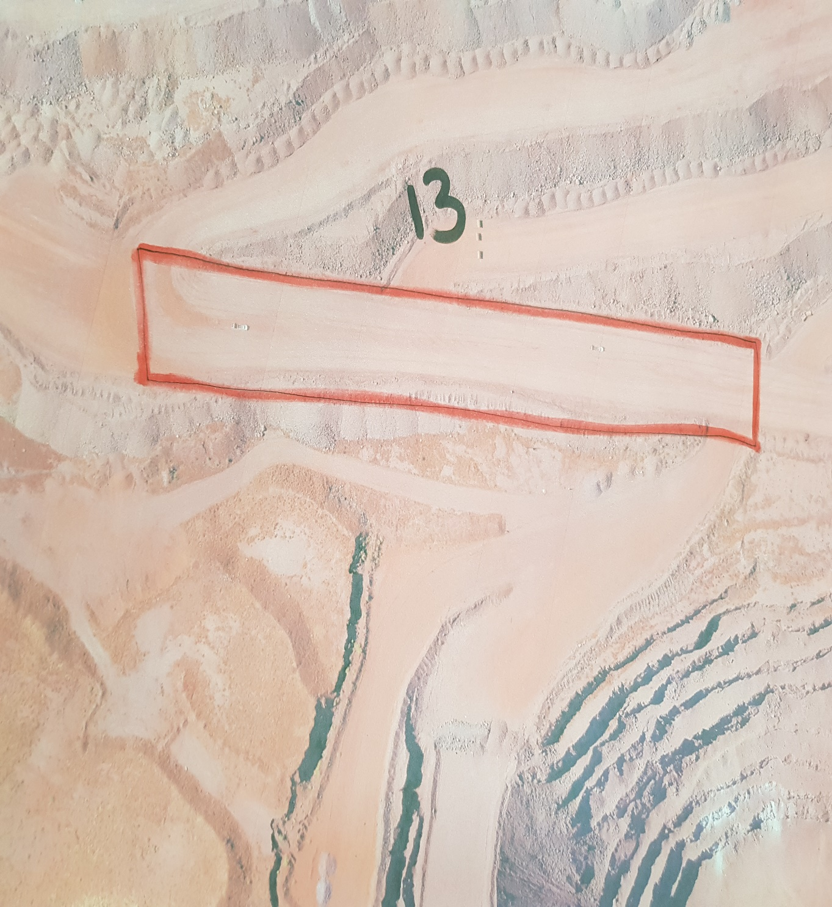
 | Location: Ramp 13
 | Operation: Mining Pit
 | Hazard | Risk -Unwanted Event | Interim/Current Controls | Risk Ranking |  |  | Additional Controls (Road design , maintenance and construction standard)
 |  |  |  | L | S | Risk Level
1 | Narrow Road/Ramp (Road smaller than three times largest vehicle) | TMM to TMM head- on collision- Multiple Fatalities , Injury or Property Damage | 1.Restrict vehicle speed, 2.Limith number of vehicles on ramp to one at a time (Traffic control),Loaded vehicles to have right of way,provide safe waiting for unloaded vehicles. | 2 | 4 | 12 | 1.Ramp width wide enough to facilitate center and side berms with sufficient space for safe movement.(Refer to standard)
2 | Open Crest next to road | Vehicle falling from an elevated position due to exposed open crest-Fatality , injury or property damage | 1.Road Safe declaration, 2.Safety inspections | 1 | 4 | 7 | 1.Introduce crest berms that will prevent vehicle from falling over crest (Refer to standard)
3 | Slippery / wet road conditions-Skidding of vehicle | TMM to TMM head -on collision or TMM collide into structures(High wall/void)-Fatality, injury or property damage | 1.Watering the ramp at intervals 2.Stop operation when road is unsafe | 2 | 4 | 12 | 1.Sufficient waiting time after watering incline and declines (Refer to standard)
4 | Smooth material for road surface (Increase probality for slippery road conditions) | TMM to TMM head -on collision or TMM collide into structures(High wall/void)-Fatality, injury or property damage | 1.Road construction practice (Use of Coarse material ontop of slippery surface . | 2 | 4 | 12 | 1.Coarse road surface material (Refer to standard)
5 | Decline/Incline Angle > larger than vehicle safe operating ability | Run-away of vehicle ,TMM to TMM head -on collision or TMM collide into structures(High wall/void),Machine topple over | 1.Apply emergency procedures, 2.Speed limits | 3 | 5 | 20 | 1.Ramp angles smaller than safe operating angle for the specific vehicles. (Refer to standard), 2.Run-away arrestor berms (Refer to standard), 3.Side berms specific for ramps (Refer to standard) | Road and Machine Specification
6 | Loose rocks on ramp | Machine driving over loose rocks /Operator avoiding rocks and collide into structure or into on-coming TMM causing Tyre damage/ –Property damage | 1.Grader to maintain road , remove rocks (Grader and tyre dozer), 2.Procedure refer | 2 | 2 | 5 | 1.Loading to loading specification/procedure(Refer to standard) | Type | Results | Type | Results
7 | Loose rocks on the side of the high wall | Rocks fall onto truck causing damage to the truck / rocks falling onto the road-Machine driving over loose rocks /Operator avoiding rocks and collide into structure or into on-coming TMM | 1.Catchment berm | 2 | 2 | 5 | 1.Loading to loading specification/procedure(Refer to standard) 2.Catchment berm (Refer to standard) | Width |  | Exposed Vehicles
8 | Erosion of road surface/side berms due to excessive water | TMM to TMM head -on collision or TMM collide into structures(High wall/void)-Fatality, injury or property damage | 1.Drainage system | 1 | 4 | 7 | 1.Drainage to spec (Refer to standard), 2.Road profile to specification (Refer to standard) | Length |  | Length of biggest vehicle
 |  |  |  |  |  |  |  | Road Classification |  | Width of biggest vehicle

